1. Title Page
[Instacart Grocery Basket Analysis]

Project Name: Instacart Grocery Basket Analysis
Date: 02/02/2023
Analyst Name: Snigdha Sharma

Contents:
Population Flow
Consistency checks
Wrangling steps
Column derivations
Visualizations
Recommendations

Instacart Data Sets:
● Customers Data Set
● Data Dictionary
● Citation (required in your final report): “The Instacart Online Grocery Shopping Dataset

2. Population Flow
Title page

Population flow

Exclusion flag
Condition: max_order < 5
Obervations to be removed: Low Activity users 1440295
Final total count of order_products_all: 30964564, 35

Orders_products_combined
Orders_products_merged
Orders_products_all

Total: 32434489, 11
Total: 32404854, 25
Total: 32404859, 35

Note: Instacart is a real company that’s made their data available online. However, the contents of this project brief have been fabricated for the purpose of this Achievement

3. Consistency checks
 |  |  |  | Title page
Consistency checks

Dataset | Missing values | Missing values treatment | Duplicates
orders | 206209 | It appears that the NaN values are customers who have just joined the app. So these rows weren't deleted and instead I assigned them a flag to denote that they are new customers | None
products | 16 | 16 Null values in the product_name column. Created a subset and continues without these Null values | None
orders_products_prior | None | Not Applicable | None
customers | None | Not Applicable | None

Note: Instacart is a real company that’s made their data available online. However, the contents of this project brief have been fabricated for the purpose of this Achievement

4. Wrangling steps
 |  |  |  | Title page
Wrangling steps

Columns dropped | Columns renamed | Columns' type changed | Comment/Reason
orders | order_dow to order_day_of_week |  | Improve Readability
 | dropped eval_set column |  | Irrelevant for the Analysis
 |  | order_id changed to String | Converted from Integer to string

customers | Surnam to Last Name |  | Improve Readability
 | n_dependants to number_of_dependants |  | Improve Readability
 | fam_status to marital_status |  | Improve Readability
 | STATE to State |  | To maintain Consistency
 |  | First Name to String | Converted from mixed data type to string

Note: Instacart is a real company that’s made their data available online. However, the contents of this project brief have been fabricated for the purpose of this Achievement

5. Column derivations
 |  |  |  | Title page

Column derivations and aggregations

Dataset | New column | Column/s it was derived from | Conditions
df_ords_prods_merged Exported as orders_products_merge_0120 | prices_range_loc | prices | ['prices'] <=5: 'Low range product' ['prices'] > 5 and ['prices'] <=15): 'Mid range product' ['prices'] > 15: 'High range product'
 | busiest day | order_day_of_week | ['order_dow']: value == 0: ("Busiest day") ['order_dow']: value == 4:("Least busy") else:("Regularly busy")
 | busiest_period_of_day | order_hour_of_day | ['order_hour_of_day]:value >= 9 and value <= 16: ("Most Orders") ['order_hour_of_day]:value <= 6:("Fewest Orders") else:("Average Orders")

orders_products_merge_0120 Exported as ords_prods_merge0124.pkl | loyalty_flag | max_order = ords_prods_merge.groupby(['user_id'])['order_number'].transform(np.max) | max_order > 40, 'loyalty_flag' = 'Loyal Customer' max_order<= 40 & max_order> 10), 'loyalty_flag' = 'Regular Customer' max_order <= 10, 'loyalty_flag' = 'New Customer'
 | spending_flag | mean_price = ords_prods_merge.groupby(['user_id'])['prices'].transform(np.mean) | mean_price >= 10, 'spending_flag' = 'High Spender' mean_price < 10, 'spending_flag' = 'Low Spender'
 | order_frequency_flag | median_order_period = ords_prods_merge.groupby(['user_id'])['days_since_prior_order'].transform(np.median) | median_order_period > 20, 'order_frequency_flag' = 'Non-frequent 'median_order_period' <= 20) & 'median_order_period' > 10), 'order_frequency_flag' = 'Regular Customer' 'median_order_period' <= 10, 'order_frequency_flag' = 'Frequent customer'

Instacart_merged_data Exported as Instacart_merged_data_0126 | Region | State | region1_northeast = ['Maine', 'New Hampshire', 'Vermont', 'Massachusetts', 'Rhode Island', 'Connecticut', 'New York', 'Pennsylvania', 'New Jersey'] region2_midwest = ['Wisconsin', 'Michigan', 'Illinois', 'Indiana', 'Ohio', 'North Dakota', 'South Dakota', 'Nebraska', 'Kansas', 'Minnesota', 'Iowa', 'Missouri'] region3_south = ['Delaware', 'Maryland', 'District of Columbia', 'Virginia', 'West Virginia', 'North Carolina', 'South Carolina', 'Georgia', 'Florida', 'Kentucky', 'Tennessee', 'Mississippi', 'Alabama','Oklahoma', 'Texas', 'Arkansas', 'Louisiana'] region4_west = ['Idaho', 'Montana', 'Wyoming', 'Nevada', 'Utah', 'Colorado', 'Arizona', 'New Mexico', 'Alaska', 'Washington', 'Oregon', 'California', 'Hawaii']
 | elimination_flag | max_order | max_order' < 5, 'elimination_flag' = 'Low Activity' 'max_order' >= 5, 'elimination_flag' = 'High Activity'
 | age_group | Age | Age' >=18 & 'Age' <= 29, 'age_group' = 'Emerging Adult' 'Age' >=30 & 'Age' <= 39, 'age_group' = 'Young Adult' 'Age' >=40 & 'Age' <= 59, 'age_group' = 'Middle-aged Adult' 'Age' >=60, 'age_group' = 'Older Adult'
 | income_category | Income | income' >= 25000 & 'income' <= 50000, 'Income_Category' = 'Low' 'income' > 50000 & 'income' <= 100000, 'Income_Category = 'Middle' 'income' > 100000 & 'income' <= 300000, 'Income_Category' = 'Upper Middle' 'income' > 300000, 'Income_Category' = 'High'
 | Household_status | number_of_dependants | number_of_dependants' == 0, 'Household_Status' = 'Single' 'department_id'] == 17 & 'number_of_dependants' >= 1, 'Household_Status'= 'New Parent' 'department_id'] != 17 & 'number_of_dependants' >= 1, 'Household_Status' = 'Older Parent'
 | pet_parent | department_id | department_id' == 7, 'Pet Parent' = 'Yes' 'department_id' != 7, 'Pet Parent' = 'No' Dept id 7 is Pet supplies

Note: Instacart is a real company that’s made their data available online. However, the contents of this project brief have been fabricated for the purpose of this Achievement

6. Visualizations
 |  |  |  |  |  |  |  |  |  |  |  |  | Title page

Visualisations

1. The sales team needs to know what the busiest days of the week and hours of the day are (i.e., the days and times with the most orders) in order to schedule ads at times when there are fewer orders.

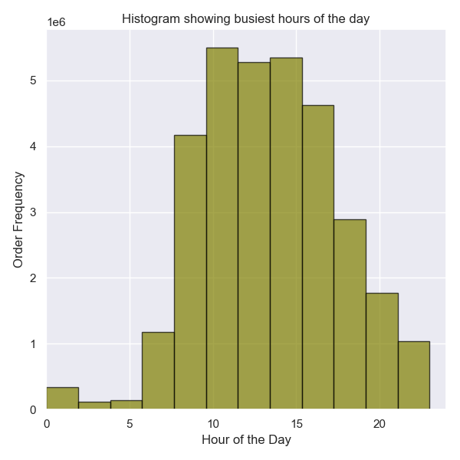
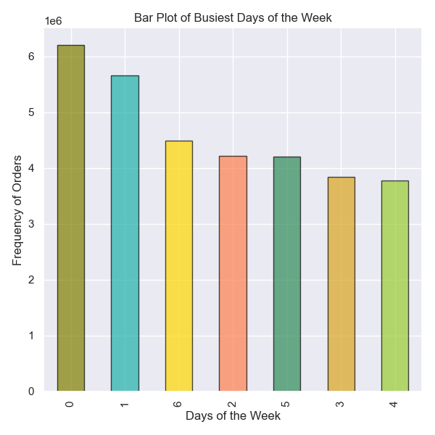

 |  |  |  |  |  |  | Legend
 |  |  |  |  |  |  | 0:Sat
 |  |  |  |  |  |  | 1:Sun
 |  |  |  |  |  |  | 2:Mon
 |  |  |  |  |  |  | 3:Tue
 |  |  |  |  |  |  | 4:Wed
 |  |  |  |  |  |  | 5:Thu
 |  |  |  |  |  |  | 6:Fri

The highest volume of orders are placed during the day. 9am to 4pm are the busiest hours, with the frequency dropping steadily post 4pm |  |  |  |  |  |  | Most users place orders on the weekends: Saturday and Sunday with 6 million+ orders placed on Saturday, 5 million+ on Sunday and 4Million+ on Friday. Least numbre of orders were placed on Tuesday and Wednesday.

More people place orders towards the end of the week from Friday to Sunday, with the busiest hours of the day bein 9am to 4pm. The user activity is lowest from Monday to Thursday

2. Are there particular times of the day when people spend the most money, as this might inform the type of products they advertise at these times?

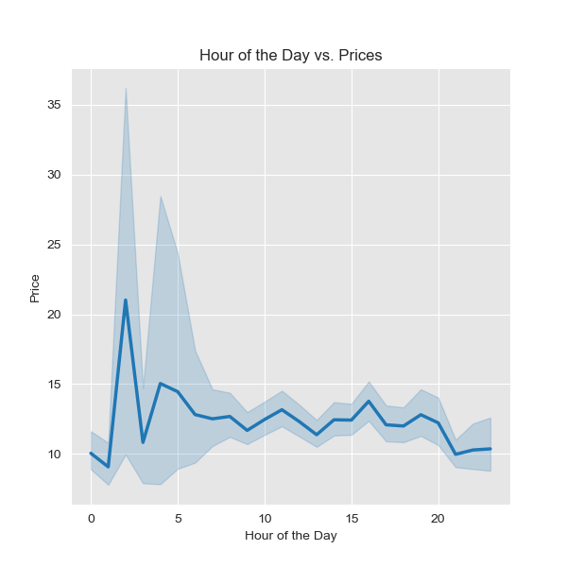

 |  |  |  |  | It appears that the prices peak between 2am to 3am and again at 5am. This needs furthur investigation as there aren't many orders during this time. Note: This line chart was drawn from a random sample of 30% of the population

3. Instacart has a lot of products with different price tags. Marketing and sales want to use simpler price range groupings to help direct their efforts.

Department | High-range | Low-range | Mid-range
frozen | 0 | 681412 | 1553331
other | 0 | 15972 | 20319 | Departments with maximum products in each price range:
bakery | 0 | 287938 | 884490
produce | 0 | 2697883 | 6781408
alcohol | 0 | 35243 | 118453 | High-range Products |  | Mid-range Products |  | Low-range Products
international | 0 | 76974 | 192279 | Meat/Seafood |  | Produce |  | Produce
beverages | 0 | 852974 | 1835149 | Dairy/Eggs |  | Dairy/Eggs |  | Snacks
pets | 0 | 29551 | 68165
dry goods pasta | 0 | 299327 | 567300
bulk | 0 | 1221 | 33352
personal care | 0 | 130864 | 316708
meat seafood | 412323 | 0 | 296604
pantry | 228 | 531864 | 1343277
breakfast | 0 | 219333 | 483700
canned goods | 0 | 298683 | 769375
dairy eggs | 5127 | 1431016 | 3962604
household | 0 | 258269 | 480397
babies | 0 | 125317 | 298485
snacks | 0 | 1819106 | 1068444
deli | 0 | 313628 | 737621
missing | 0 | 19746 | 49399

Most Meat and Seafood products are in the high price range, whereas Produce and Snacks departments have the highest number of low price products

4. Are there certain types of products that are more popular than others? The marketing and sales teams want to know which departments have the highest frequency of product orders.

department_id | mean | min | max

frozen | 0.54176431026 | 0 | 1
other | 0.40797993993 | 0 | 1
bakery | 0.62788930322 | 0 | 1
produce | 0.64991253038 | 0 | 1
alcohol | 0.56992374558 | 0 | 1
international | 0.36922894081 | 0 | 1 |  | Most Popular Departments |  |  | Least Popular Departments
beverages | 0.65346116975 | 0 | 1
pets | 0.60132424577 | 0 | 1 |  | Dairy/Eggs |  |  | International
dry goods pasta | 0.4610761031 | 0 | 1 |  | Beverages |  |  | Pantry
bulk | 0.57703988662 | 0 | 1 |  | Produce |  |  | Personal Care
personal care | 0.32129579152 | 0 | 1
meat seafood | 0.56767763112 | 0 | 1
pantry | 0.34672163185 | 0 | 1
breakfast | 0.56054978927 | 0 | 1
canned goods | 0.45740493494 | 0 | 1
dairy eggs | 0.66968965206 | 0 | 1
household | 0.40217770955 | 0 | 1
babies | 0.57897084016 | 0 | 1
snacks | 0.57417984104 | 0 | 1
deli | 0.60771900853 | 0 | 1
missing | 0.39584930219 | 0 | 1

On an average Dairy Eggs, Beverages, Produce and Bakery products were re-ordered more than the other departments. International, Pantry and Personal Care products are least popular

5. The marketing and sales teams are particularly interested in the different types of customers in their system and how their ordering behaviors differ

● What’s the distribution among users in regards to their brand loyalty (i.e., how often do they return to Instacart)?



 |  |  |  |  |  | ** 31% of total customers are loyal customers with more than 40 orders ** 49% customers are regular customers with orders between 10-40 ** 19% are possibly new customers with less than 10 orders so far

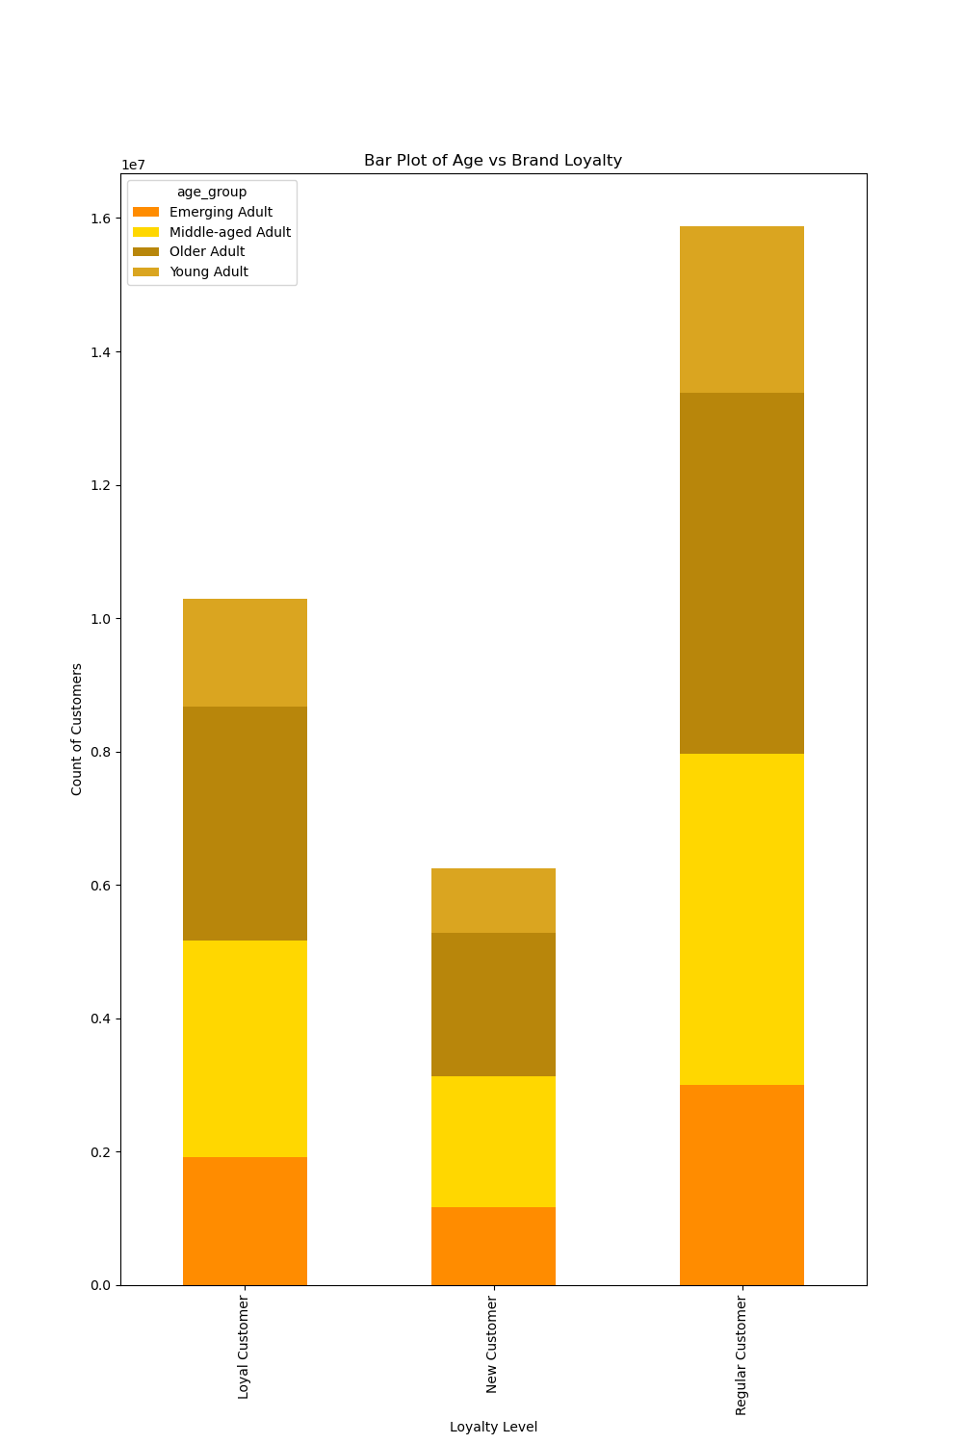
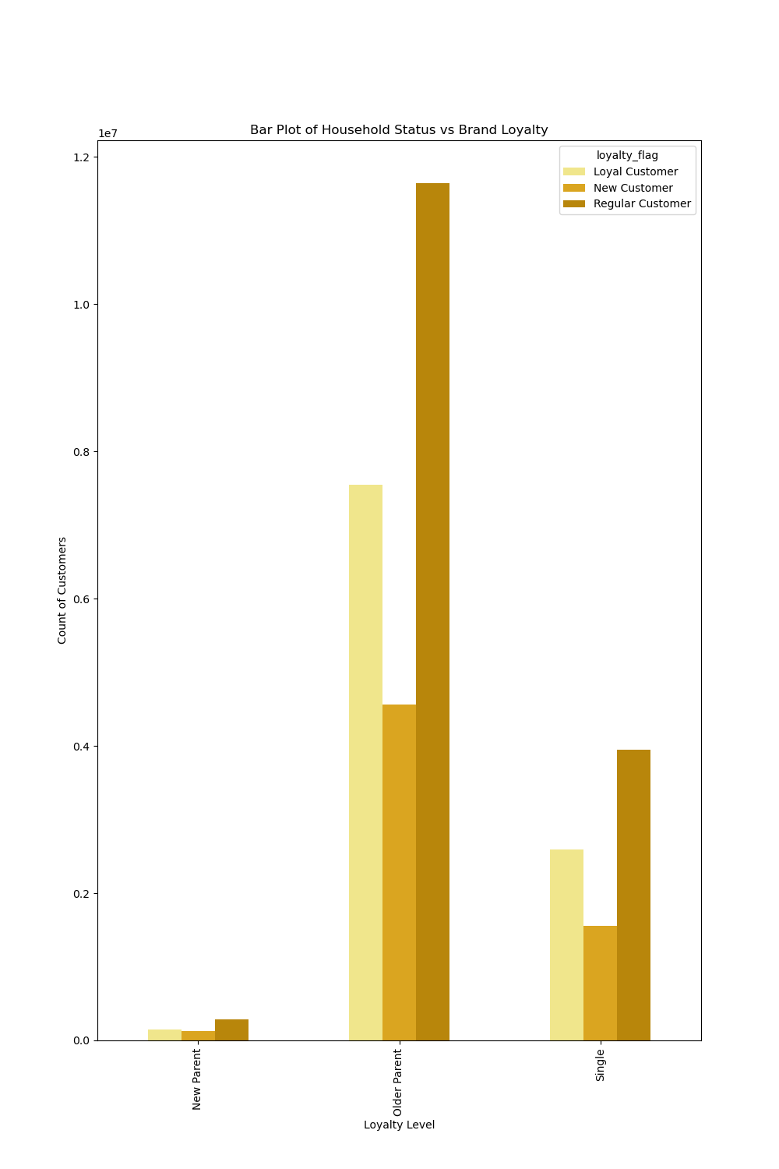

** Older(60 years+) and middle-aged(40-59 years old) adults have largest number of loyal customers with 40+ orders **Older-age adults are the most regular customers(with orders between 10-40) |  |  |  |  |  |  |  | ** Families with older children are more regular customers and contribute almost 23% of the loyal customer base ** Older parents constitute 73% of the total customer count

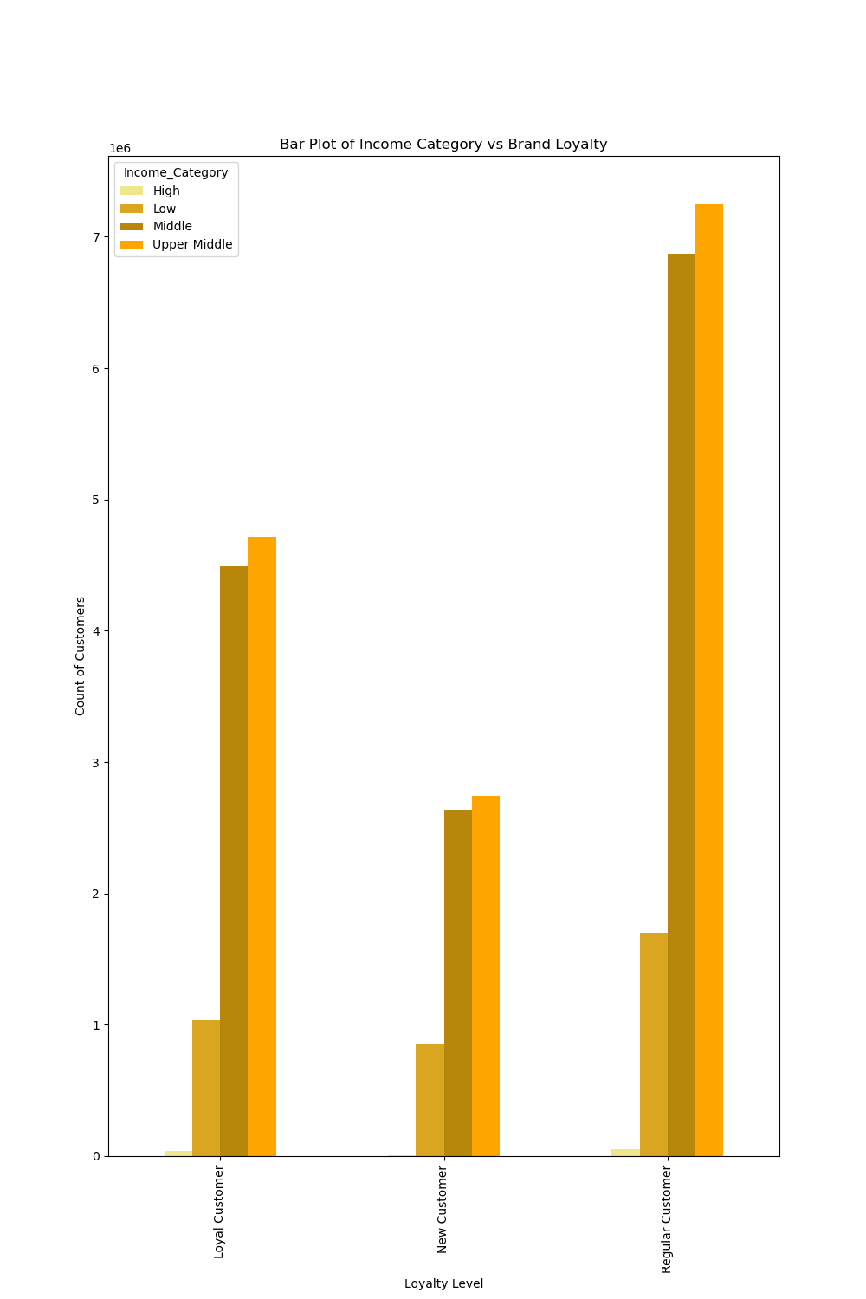

 |  |  |  |  |  |  | Upper middle class($100k-300k) and middle class($ 50k -$ 100k) have the largest number of Loyal and Regular Customer base. The Income data shows that such individuals are more likely to use the online grocery services

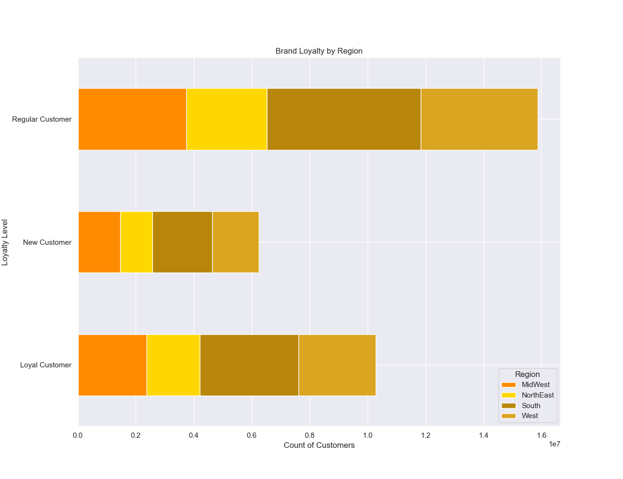

 |  |  |  |  |  |  |  | Region |  | Customer count

 |  |  |  |  |  |  |  | South |  | 10791885

 |  |  |  |  |  |  |  | West |  | 2662690

 |  |  |  |  |  |  |  | MidWest |  | 7597325

 |  |  |  |  |  |  |  | NorthEast |  | 2780744

 |  |  |  |  |  | ** In USA, the South states have the largest number of customers and together attribute to 33% of the customer count ** 16% of the Regular customers and 10% of Loyal customers are from South ** In the Western States too Instacart has a strong foothold. Almost 8% of all customers are based in this region

● Are there differences in ordering habits based on a customer’s loyalty status?

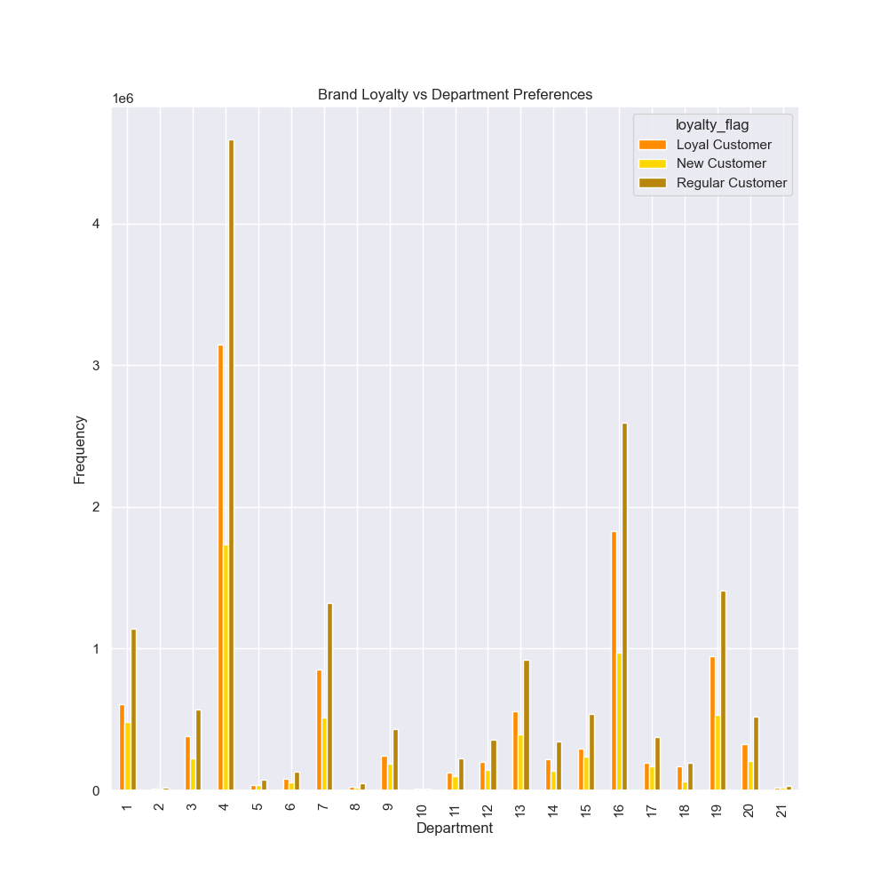

 |  |  |  |  |  | Legend |  |  | Brand Loyalty vs. Spending Habits
 |  |  |  |  |  | id | department
 |  |  |  |  |  | 1 | frozen
 |  |  |  |  |  | 2 | other |  | Loyalty Flag | High-range | Low-range | Mid-range | Total Products Bought
 |  |  |  |  |  | 3 | bakery |  | Regular Customer | 212090 | 4958862 | 10705824 | 15876776
 |  |  |  |  |  | 4 | produce |  | Loyal Customer | 119936 | 3214690 | 6949467 | 10284093
 |  |  |  |  |  | 5 | alcohol |  | New Customer | 85652 | 1952769 | 4205569 | 6243990
 |  |  |  |  |  | 6 | international
 |  |  |  |  |  | 7 | beverages |  | ** Overall the Regular customers have made the most purchases ** The data suggests that mid-range products are most popular among customers ** The Regular customers have bought the most high-range products
 |  |  |  |  |  | 8 | pets
 |  |  |  |  |  | 9 | dry goods pasta
 |  |  |  |  |  | 10 | bulk
 |  |  |  |  |  | 11 | personal care
 |  |  |  |  |  | 12 | meat seafood
 |  |  |  |  |  | 13 | pantry |  | Loyalty Flag | High Spender | Low Spender
 |  |  |  |  |  | 14 | breakfast
 |  |  |  |  |  | 15 | canned goods |  | Loyal Customer | 216600 | 10067493
 |  |  |  |  |  | 16 | dairy eggs |  | New Customer | 114831 | 6129159
 |  |  |  |  |  | 17 | household |  | Regular Customer | 302814 | 15573962
 |  |  |  |  |  | 18 | babies
 |  |  |  |  |  | 19 | snacks |  | ** 48% of the total earnings have come from Regular customers
 |  |  |  |  |  | 20 | deli
 |  |  |  |  |  | 21 | missing

For all loyalty levels the most frequently bought from departments are Produce, Dairy Eggs and Snacks

● Are there differences in ordering habits based on a customer’s region?

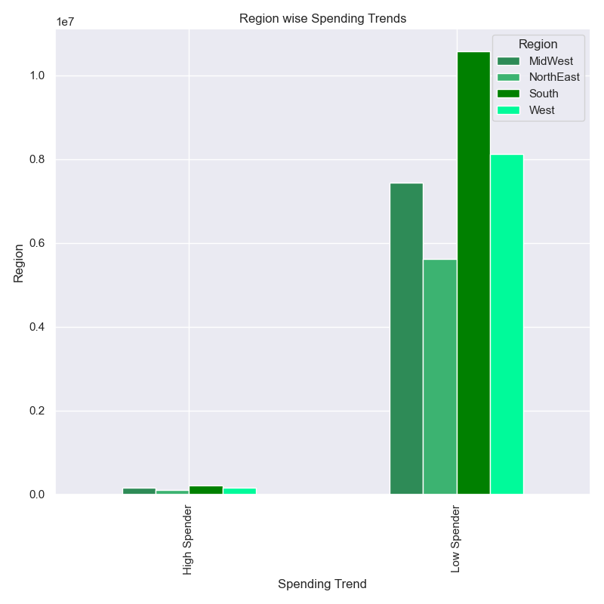
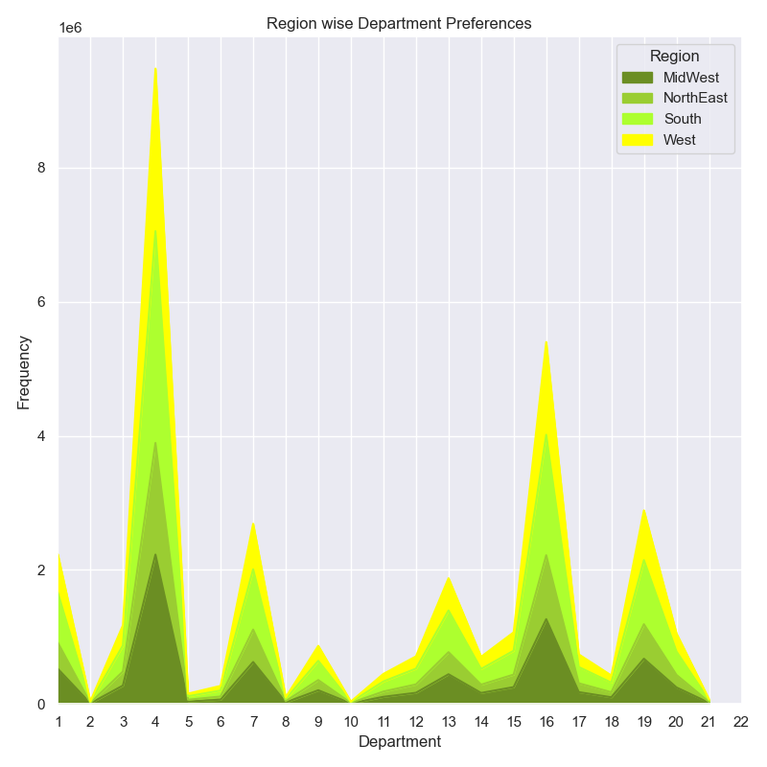

 |  |  |  |  |  |  |  | Legend
 |  |  |  |  |  |  |  | id | department
 |  |  |  |  |  |  |  | 1 | frozen
 |  |  |  |  |  |  |  | 2 | other
 |  |  |  |  |  |  |  | 3 | bakery
 |  |  |  |  |  |  |  | 4 | produce
 |  |  |  |  |  |  |  | 5 | alcohol
 |  |  |  |  |  |  |  | 6 | international
 |  |  |  |  |  |  |  | 7 | beverages
 |  |  |  |  |  |  |  | 8 | pets
 |  |  |  |  |  |  |  | 9 | dry goods pasta
 |  |  |  |  |  |  |  | 10 | bulk
 |  |  |  |  |  |  |  | 11 | personal care
 |  |  |  |  |  |  |  | 12 | meat seafood
 |  |  |  |  |  |  |  | 13 | pantry
 |  |  |  |  |  |  |  | 14 | breakfast
 |  |  |  |  |  |  |  | 15 | canned goods
 |  |  |  |  |  |  |  | 16 | dairy eggs
 |  |  |  |  |  |  |  | 17 | household
 |  |  |  |  |  |  |  | 18 | babies
 |  |  |  |  |  |  |  | 19 | snacks
 |  |  |  |  |  |  |  | 20 | deli
 |  |  |  |  |  |  |  | 21 | missing

** In general a high number of customers are Low Spenders keen to pay less than $ 10 per product ** South has the higehst number of Low Spenders ** Among the small number of High Spenders, the Southern regions lead too |  |  |  |  |  |  |  |  |  | Region-wise purchase patterns are similar to the overall buying pattern. Produce and Dairy Eggs most frequently purchased from departments

● Is there a connection between age and family status in terms of ordering habits?

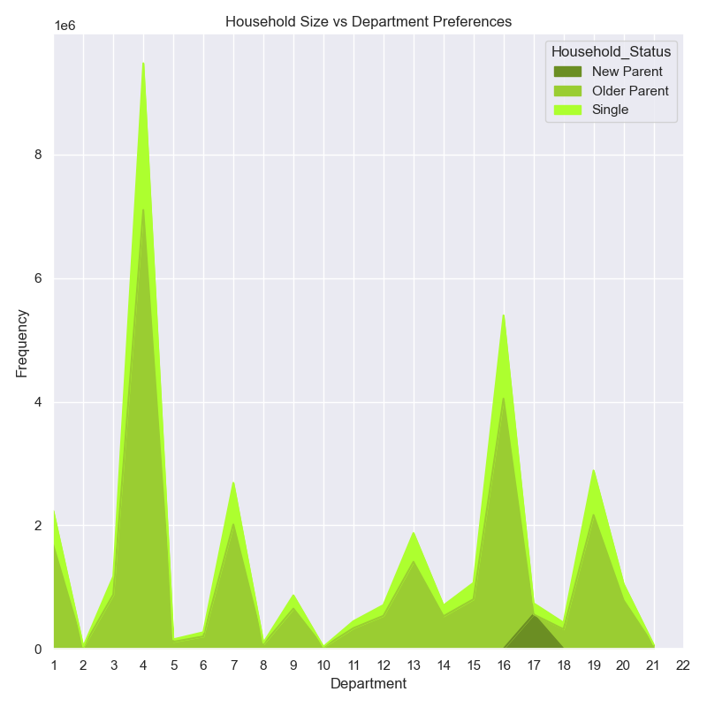

 |  |  |  |  |  |  |  | Legend
 |  |  |  |  |  |  |  | id | department
 |  |  |  |  |  |  |  | 1 | frozen
 |  |  |  |  |  |  |  | 2 | other
 |  |  |  |  |  |  |  | 3 | bakery
** The buying pattern by household sizes in much similar to the rest of the categories. Produce, Dairy/Eggs,Snacks and Beverages are the popular departments among older parents and singles ** New Parents are frequently ordering from the Babies Department |  |  |  |  |  |  |  | 4 | produce
 |  |  |  |  |  |  |  | 5 | alcohol
 |  |  |  |  |  |  |  | 6 | international
 |  |  |  |  |  |  |  | 7 | beverages
 |  |  |  |  |  |  |  | 8 | pets
 |  |  |  |  |  |  |  | 9 | dry goods pasta
 |  |  |  |  |  |  |  | 10 | bulk
 |  |  |  |  |  |  |  | 11 | personal care
 |  |  |  |  |  |  |  | 12 | meat seafood
 |  |  |  |  |  |  |  | 13 | pantry
 |  |  |  |  |  |  |  | 14 | breakfast
 |  |  |  |  |  |  |  | 15 | canned goods
 |  |  |  |  |  |  |  | 16 | dairy eggs
 |  |  |  |  |  |  |  | 17 | household
 |  |  |  |  |  |  |  | 18 | babies
 |  |  |  |  |  |  |  | 19 | snacks
 |  |  |  |  |  |  |  | 20 | deli
 |  |  |  |  |  |  |  | 21 | missing

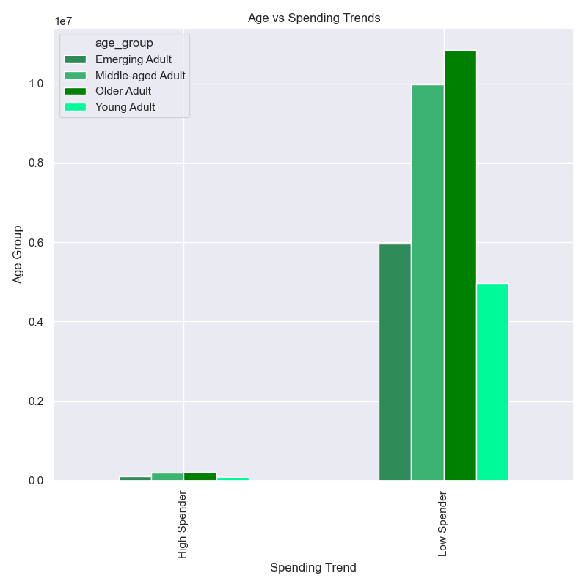
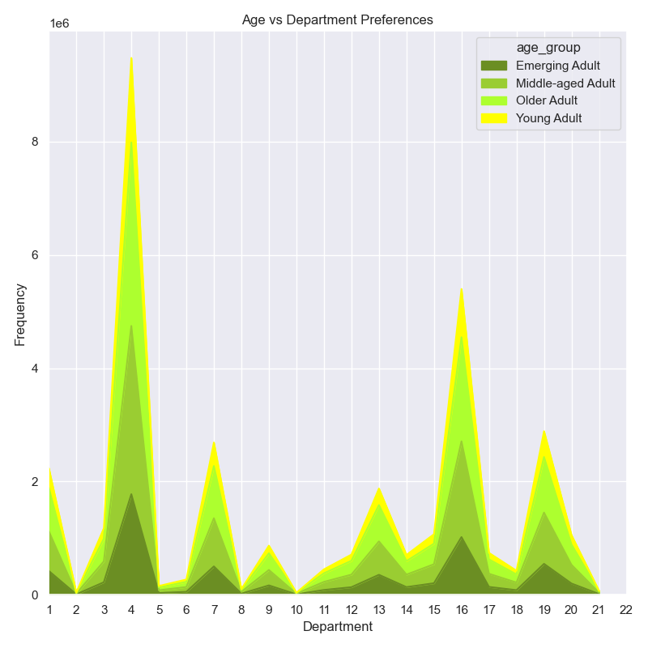

 |  |  |  |  |  |  |  | Legend
 |  |  |  |  |  |  |  | id | department
 |  |  |  |  |  |  |  | 1 | frozen
 |  |  |  |  |  |  |  | 2 | other
 |  |  |  |  |  |  |  | 3 | bakery
 |  |  |  |  |  |  |  | 4 | produce
 |  |  |  |  |  |  |  | 5 | alcohol
 |  |  |  |  |  |  |  | 6 | international
 |  |  |  |  |  |  |  | 7 | beverages
 |  |  |  |  |  |  |  | 8 | pets
 |  |  |  |  |  |  |  | 9 | dry goods pasta
 |  |  |  |  |  |  |  | 10 | bulk
 |  |  |  |  |  |  |  | 11 | personal care
 |  |  |  |  |  |  |  | 12 | meat seafood
 |  |  |  |  |  |  |  | 13 | pantry
 |  |  |  |  |  |  |  | 14 | breakfast
 |  |  |  |  |  |  |  | 15 | canned goods
 |  |  |  |  |  |  |  | 16 | dairy eggs
 |  |  |  |  |  |  |  | 17 | household
 |  |  |  |  |  |  |  | 18 | babies
 |  |  |  |  |  |  |  | 19 | snacks
 |  |  |  |  |  |  |  | 20 | deli
 |  |  |  |  |  |  |  | 21 | missing

** Older adults on an average prefer to lean towards low priced products. ** The age wise spending pattern is similar to the other categories where most users prefer to spend less than $ 10 per product |  |  |  |  |  |  |  |  |  | Produce, Dairy/Eggs, Snacks and Beverages remain the choice of departments across all age groups. Frozen items are also popular

● Is there a connection between age and family status in terms of customer demographics? And/or connection between age and spending power (income)?

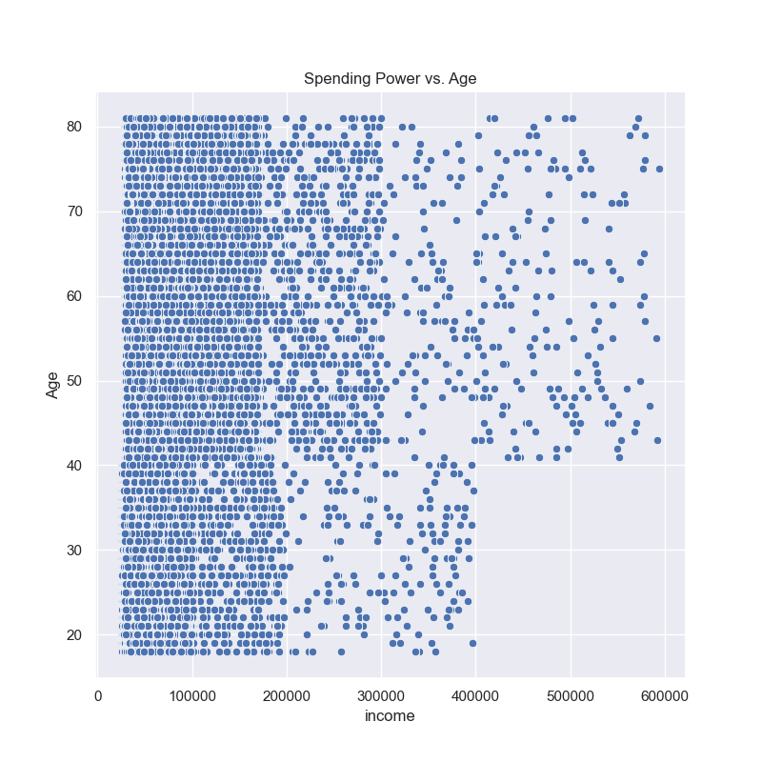
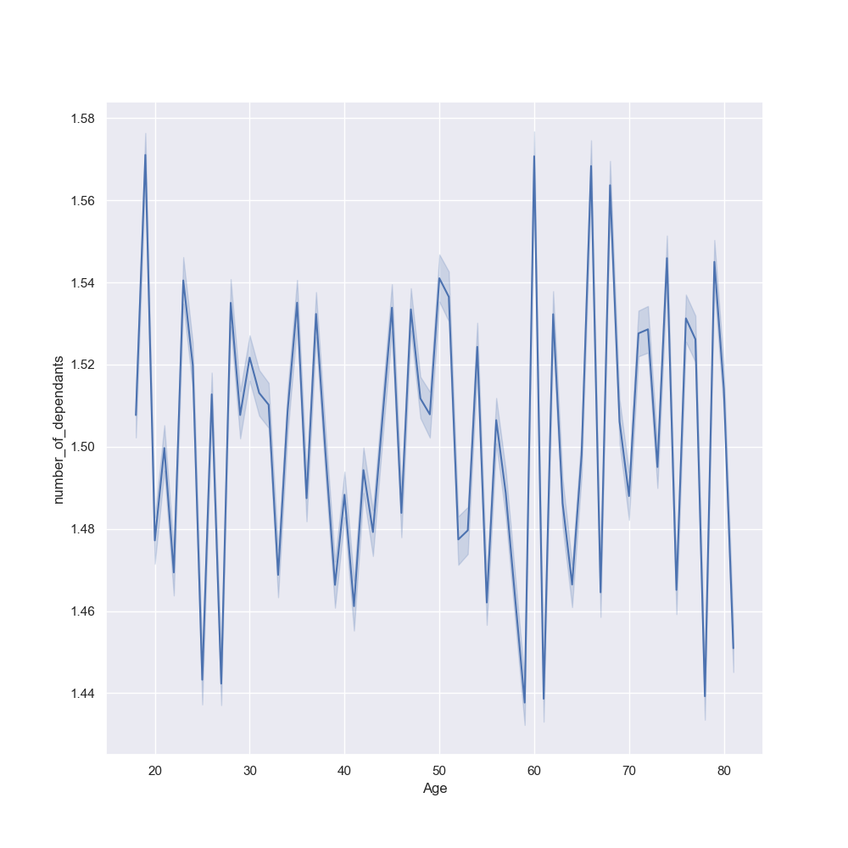

Based on age the customers can be divided into following categories: Emerging Adult - 18-29 years Young Adult - 30-39 years Middle-aged Adult - 40-59 years Older Adult - 60 years + Based on income the users can be divided into following categories: Low - $ 25k-50K Middle - $ 50k-100K Upper Middle - $ 100K-300K High - $ 300K ** In all age groups majority of the population density has a spending power of less than $ 200K. ** Individual earning more than $ 400k are aged above 40years |  |  |  |  |  |  |  |  |  | The number of dependants and the customer's age do not have a set correlation. The two do not seem to impact the user's spending habits

● How does age, income, household status and region affect the most active time and day of the week?

Most Active Hour of the Day by Age, Household Status and Region:

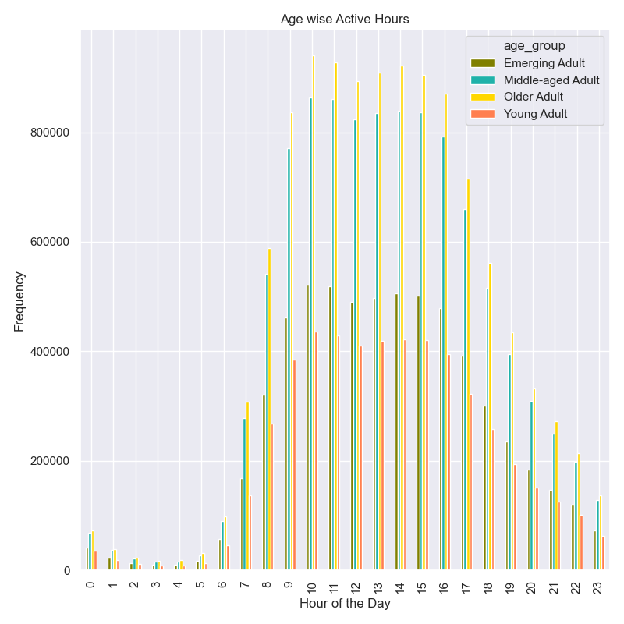
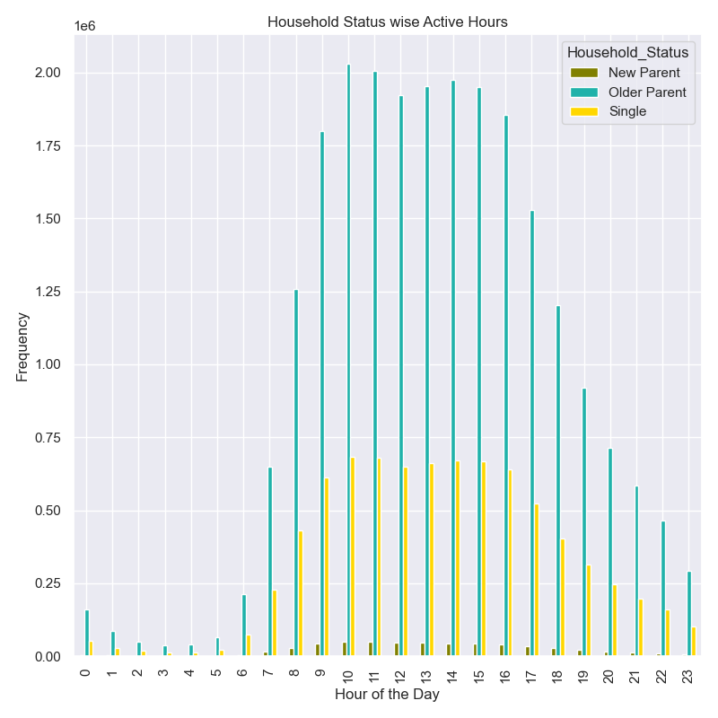

** Order activity starts to increase post 7am and peaks between 10am to 2pm ** The purchases slowly decline post 4pm ** Older(60 years+) and middle aged(40-59) adults are active early in the morning since 7am ** Emerging Adults(18-29 year olds) show peak activity between 10 to 11am |  |  |  |  |  |  |  |  |  | ** Between 1am to 4pm the footfall is highest and older parents contribute to it highest numbers ** Younger Parents are the least active and have minimal impact on the traffic

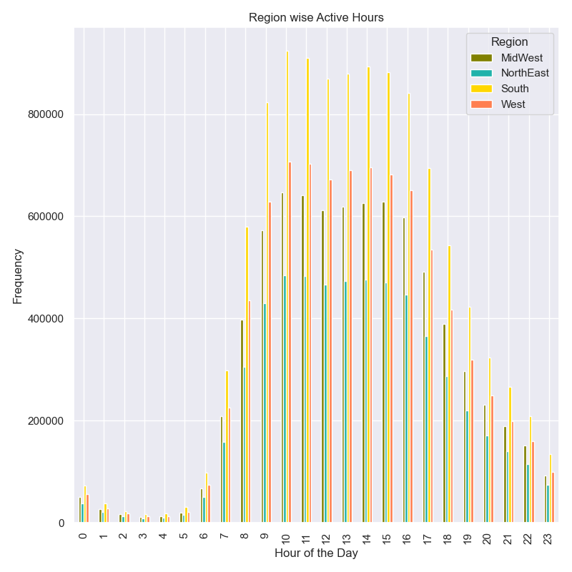

 |  |  |  |  |  |  | ** The region wise activity pattern is similar to the other categories with most activity occuring between 10am to 4pm in all regions

Most Active Day of the Week by Age, Household Status and Region:

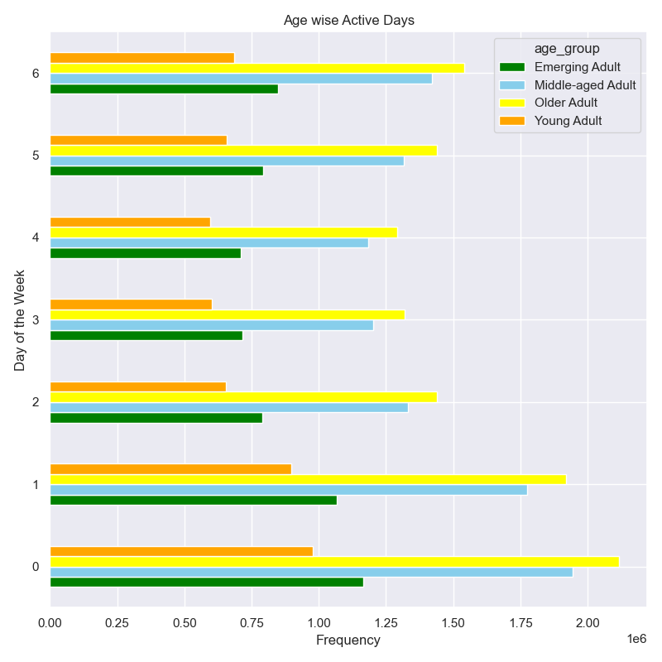
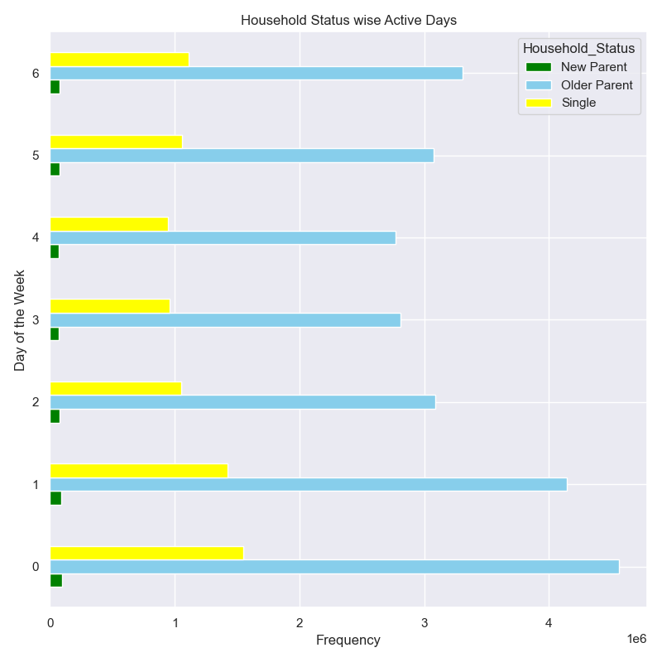

 |  |  |  |  |  |  | Legend
 |  |  |  |  |  |  | 0:Sat
 |  |  |  |  |  |  | 1:Sun
 |  |  |  |  |  |  | 2:Mon
 |  |  |  |  |  |  | 3:Tue
 |  |  |  |  |  |  | 4:Wed
 |  |  |  |  |  |  | 5:Thu
 |  |  |  |  |  |  | 6:Fri

All age groups are most active during the weekend with Friday, Saturday and Sunday being the busiest days of the week |  |  |  |  |  |  |  |  |  | ** Least active days are Tuesday and Wednesday ** Weekends are most active and older parents have the highest activity on Saturday

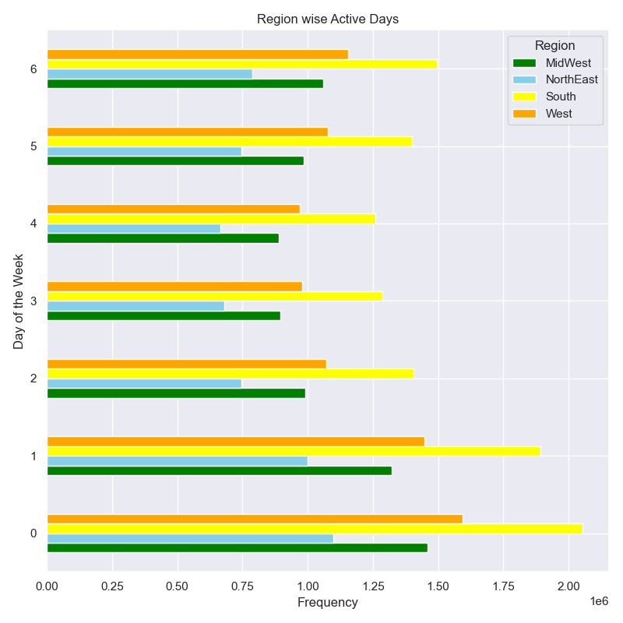

 |  |  |  |  |  |  | Legend
 |  |  |  |  |  |  | 0:Sat
 |  |  |  |  |  |  | 1:Sun
 |  |  |  |  |  |  | 2:Mon
 |  |  |  |  |  |  | 3:Tue
 |  |  |  |  |  |  | 4:Wed
 |  |  |  |  |  |  | 5:Thu
 |  |  |  |  |  |  | 6:Fri

 |  |  |  |  |  |  | ** The regional activity pattern shows similar surge on Friday, Saturday and Sunday and a dip on Tuesday and Wednesday. ** Customers in all regions prefer to stock grocery supplies on the weekend

7. Recommendations
 |  |  |  |  |  |  |  | Title page

Recommendations

KEY QUESTIONS: | RECOMMENDATIONS:
Orders versus Day and Time
 | Saturday | Sunday | Monday | Tuesday | Wednesday | Thursday | Friday
0 | 1196 | 1091 | 932 | 914 | 798 | 976 | 974
1 | 715 | 550 | 471 | 440 | 439 | 513 | 570
2 | 439 | 348 | 263 | 285 | 287 | 294 | 396
3 | 311 | 241 | 216 | 190 | 204 | 257 | 230
4 | 231 | 267 | 237 | 240 | 245 | 274 | 254
5 | 372 | 476 | 429 | 392 | 374 | 490 | 349
6 | 977 | 1660 | 1446 | 1346 | 1368 | 1489 | 967
7 | 3707 | 5053 | 4040 | 3811 | 3866 | 4167 | 3555
8 | 8591 | 10478 | 7539 | 7071 | 6729 | 7362 | 7098
9 | 12419 | 15817 | 11052 | 9963 | 9562 | 10431 | 9493
10 | 14947 | 16876 | 11969 | 11039 | 10714 | 11657 | 11026
11 | 15455 | 15854 | 11656 | 10809 | 10446 | 11567 | 11300
12 | 15925 | 14661 | 10909 | 10231 | 9877 | 11024 | 11577
13 | 16521 | 14618 | 11324 | 10508 | 10077 | 11137 | 11467
14 | 16784 | 14264 | 11466 | 10618 | 10294 | 11590 | 11889
15 | 16522 | 14134 | 11686 | 11069 | 10355 | 11545 | 11577
16 | 15159 | 13690 | 11510 | 10707 | 10489 | 10888 | 10978
17 | 12029 | 11250 | 9802 | 9382 | 8899 | 9312 | 9286
18 | 9143 | 8967 | 8082 | 7668 | 7364 | 7500 | 7560
19 | 6959 | 6797 | 6168 | 5782 | 5886 | 5852 | 5632
20 | 5579 | 4878 | 4544 | 4152 | 4400 | 4114 | 4068
21 | 4399 | 3656 | 3316 | 3160 | 3321 | 2886 | 3234
22 | 3451 | 2702 | 2492 | 2543 | 2665 | 2284 | 2687
23 | 2108 | 1697 | 1613 | 1519 | 1708 | 1574 | 1893
1. The sales team needs to know what the busiest days of the week and hours of the day are (i.e., the days and times with the most orders) in order to schedule ads at times when there are fewer orders. | Hour of the Day | Saturday | Sunday | Monday | Tuesday | Wednesday | Thursday | Friday | Grand Total
 | 0 | 1196 | 1091 | 932 | 914 | 798 | 976 | 974 | 6881
 | 1 | 715 | 550 | 471 | 440 | 439 | 513 | 570 | 3698
 | 2 | 439 | 348 | 263 | 285 | 287 | 294 | 396 | 2312
 | 3 | 311 | 241 | 216 | 190 | 204 | 257 | 230 | 1649
 | 4 | 231 | 267 | 237 | 240 | 245 | 274 | 254 | 1748
 | 5 | 372 | 476 | 429 | 392 | 374 | 490 | 349 | 2882
 | 6 | 977 | 1660 | 1446 | 1346 | 1368 | 1489 | 967 | 9253
 | 7 | 3707 | 5053 | 4040 | 3811 | 3866 | 4167 | 3555 | 28199
 | 8 | 8591 | 10478 | 7539 | 7071 | 6729 | 7362 | 7098 | 54868
 | 9 | 12419 | 15817 | 11052 | 9963 | 9562 | 10431 | 9493 | 78737
 | 10 | 14947 | 16876 | 11969 | 11039 | 10714 | 11657 | 11026 | 88228
 | 11 | 15455 | 15854 | 11656 | 10809 | 10446 | 11567 | 11300 | 87087
 | 12 | 15925 | 14661 | 10909 | 10231 | 9877 | 11024 | 11577 | 84204
 | 13 | 16521 | 14618 | 11324 | 10508 | 10077 | 11137 | 11467 | 85652
 | 14 | 16784 | 14264 | 11466 | 10618 | 10294 | 11590 | 11889 | 86905
 | 15 | 16522 | 14134 | 11686 | 11069 | 10355 | 11545 | 11577 | 86888
 | 16 | 15159 | 13690 | 11510 | 10707 | 10489 | 10888 | 10978 | 83421
 | 17 | 12029 | 11250 | 9802 | 9382 | 8899 | 9312 | 9286 | 69960
 | 18 | 9143 | 8967 | 8082 | 7668 | 7364 | 7500 | 7560 | 56284
 | 19 | 6959 | 6797 | 6168 | 5782 | 5886 | 5852 | 5632 | 43076
 | 20 | 5579 | 4878 | 4544 | 4152 | 4400 | 4114 | 4068 | 31735
 | 21 | 4399 | 3656 | 3316 | 3160 | 3321 | 2886 | 3234 | 23972
 | 22 | 3451 | 2702 | 2492 | 2543 | 2665 | 2284 | 2687 | 18824
 | 23 | 2108 | 1697 | 1613 | 1519 | 1708 | 1574 | 1893 | 12112
 | Grand Total | 183939 | 180025 | 143162 | 133839 | 130367 | 139183 | 138060 | 1048575

Peak activity occurs as the weeked approaches, Friday Saturday and Sunday are the busiest days. On Tuesday and Wednesday the orders are few as most people have already stocked grocery over the weekend. The company can schedule ads during the weekends so that it reaches the maximum audience. Between 10am to 12pm on the weekends the ads will have maximum reach and impact. In order to target the time when the orders are fewer the company can give offers on those specific days to lure customers. In order to cater to the order surge more delivery staff should be available on weekends.

Department versus Order Frequency
 | mean
dairy eggs | 0.66968965206
beverages | 0.65346116975
produce | 0.64991253038
bakery | 0.62788930322
deli | 0.60771900853
pets | 0.60132424577
babies | 0.57897084016
bulk | 0.57703988662
snacks | 0.57417984104
alcohol | 0.56992374558
meat seafood | 0.56767763112
breakfast | 0.56054978927
frozen | 0.54176431026
dry goods pasta | 0.4610761031
canned goods | 0.45740493494
other | 0.40797993993
household | 0.40217770955
missing | 0.39584930219
international | 0.36922894081
pantry | 0.34672163185
personal care | 0.32129579152
2. Are there particular times of the day when people spend the most money, as this might inform the type of products they advertise at these times. | department_id | mean

 | dairy eggs | 0.66968965206
 | beverages | 0.65346116975
 | produce | 0.64991253038
 | bakery | 0.62788930322
 | deli | 0.60771900853
 | pets | 0.60132424577
 | babies | 0.57897084016
 | bulk | 0.57703988662
 | snacks | 0.57417984104
 | alcohol | 0.56992374558
 | meat seafood | 0.56767763112
 | breakfast | 0.56054978927
 | frozen | 0.54176431026
 | dry goods pasta | 0.4610761031
 | canned goods | 0.45740493494
 | other | 0.40797993993
 | household | 0.40217770955
 | missing | 0.39584930219
 | international | 0.36922894081
 | pantry | 0.34672163185
 | personal care | 0.32129579152

Most frequenctly re-ordered from departments are Dairy/Eggs, Beverages, Produce and Bakery. Across all categories and demographics the same ordering pattern has been seen. The company can target to advertise the lesser popular departments like International, Pantry and Personal Care to increase awareness among customers about these products

Department-wise Product Price Range
3. Instacart has a lot of products with different price tags. Marketing and sales want to use simpler price range groupings to help direct their efforts. | Department | High-range | Low-range | Mid-range
 | frozen | 0 | 681412 | 1553331
 | other | 0 | 15972 | 20319
 | bakery | 0 | 287938 | 884490
 | produce | 0 | 2697883 | 6781408
 | alcohol | 0 | 35243 | 118453
 | international | 0 | 76974 | 192279
 | beverages | 0 | 852974 | 1835149
 | pets | 0 | 29551 | 68165
 | dry goods pasta | 0 | 299327 | 567300
 | bulk | 0 | 1221 | 33352
 | personal care | 0 | 130864 | 316708
 | meat seafood | 412323 | 0 | 296604
 | pantry | 228 | 531864 | 1343277
 | breakfast | 0 | 219333 | 483700
 | canned goods | 0 | 298683 | 769375
 | dairy eggs | 5127 | 1431016 | 3962604
 | household | 0 | 258269 | 480397
 | babies | 0 | 125317 | 298485
 | snacks | 0 | 1819106 | 1068444
 | deli | 0 | 313628 | 737621
 | missing | 0 | 19746 | 49399

1. All departments have a higher percentage of mid-range products(priced between $ 5- $ 15) except for Meat/Seafoods department, which is favorable to the company as data suggests that most consumers prefer spending less than $ 10 per item. 2. Dairy/Eggs, Produce and Bakery are fast moving also have a high percentage of mid-range items. 3. Snacks department is popular among users of all age groups and has more than 60% low priced products 4. To increase the sale of high range products the company can give promo codes with their purchase and customers can use on their next purchase

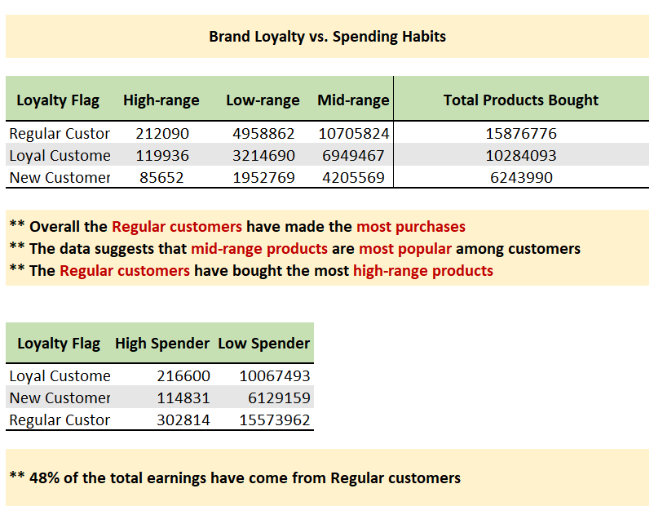
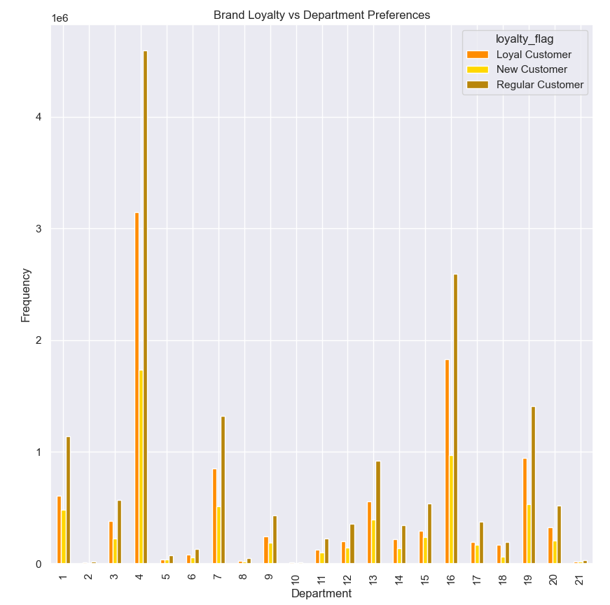
4. Are there certain types of products that are more popular than others? The marketing and sales teams want to know which departments have the highest frequency of product orders.
 |  |  |  |  |  |  |  | Legend
 |  |  |  |  |  |  |  | id | department
 |  |  |  |  |  |  |  | 1 | frozen
 |  |  |  |  |  |  |  | 2 | other
 |  |  |  |  |  |  |  | 3 | bakery
 |  |  |  |  |  |  |  | 4 | produce
 |  |  |  |  |  |  |  | 5 | alcohol
 |  |  |  |  |  |  |  | 6 | international
 |  |  |  |  |  |  |  | 7 | beverages
 |  |  |  |  |  |  |  | 8 | pets
 |  |  |  |  |  |  |  | 9 | dry goods pasta
 |  |  |  |  |  |  |  | 10 | bulk
 |  |  |  |  |  |  |  | 11 | personal care
 |  |  |  |  |  |  |  | 12 | meat seafood
 |  |  |  |  |  |  |  | 13 | pantry
 |  |  |  |  |  |  |  | 14 | breakfast
 |  |  |  |  |  |  |  | 15 | canned goods
 |  |  |  |  |  |  |  | 16 | dairy eggs
 |  |  |  |  |  |  |  | 17 | household
 |  |  |  |  |  |  |  | 18 | babies
 |  |  |  |  |  |  |  | 19 | snacks
 |  |  |  |  |  |  |  | 20 | deli
 |  |  |  |  |  |  |  | 21 | missing

Produce, Dairy/Eggs, Snacks and Beverages are the most popular products. Most consumers purchase produce and dairy products on a regular basis as they are perishable. International goods, personal care and pantry items have a longer shelf life and can be bought once and stored. The data suggests that these items are less frequently bought than others.

5. What’s the distribution among users in regards to their brand loyalty (i.e., how often do they return to Instacart)? | ** 31% of total customers are loyal customers with more than 40 orders ** 49% customers are regular customers with orders between 10-40 ** 19% are possibly new customers with less than 10 orders so far

 | ** Older(60 years+) and middle-aged(40-59 years old) adults have largest number of loyal customers with 40+ orders **Older-age adults are the most regular customers(with orders between 10-40)

 | ** Families with older children are more regular customers and contribute almost 23% of the loyal customer base ** Older parents constitute 73% of the total customer count

 | ** Upper middle class($100k-300k) and middle class($ 50k -$ 100k) have the largest number of Loyal and Regular Customer base. ** The Income data shows that such individuals are more likely to use the online grocery services

1. Regular customers(10-40 purchases) make up most of the customer base, with loyal customers with orders more than 40 being the second largest. 2. New customers with less than 10 orders although small appear to use the app for purchasing specialty items with are mostly in the high price range. 3. Families with older children tend to stock up their supplies over the weekend to avoid running out on the busy weekdays. 4. Age wise analysis suggests that older adults(60 years+) are the leading customers of this online grocery shopping app, constituting a large portion of the loyal customer base. It is convenient for them to stock up supplies from the comfort of the home and not having to travel to the store. 5. Emerging adults(18-29 years old) are low on numbers and mostly do not shop online. The company can target these users vis social media ads. 6. Most of Instacart users tend to fall in the Middle and Upper Middle class households with a spending power of less than $ 200k. The comapny can introduce loyalty based point system and tag higher points to the less popular products. Thus ensuring that customers order these items and keep coming back to the app

Customers by Loyalty Level
6. Are there differences in ordering habits based on a customer’s loyalty status? | ** In general a high number of customers are Low Spenders keen to pay less than $ 10 per product ** Older adults on an average prefer to lean towards low priced products. ** The age wise spending pattern is similar to the other categories where most users prefer to spend less than $ 10 per product ** South has the higehst number of Low Spenders ** Among the small number of High Spenders, the Southern regions lead too

 | Spending Flag | Loyal | Regular | New
 | High Spender | 216,600 | 302,814 | 84,011
 | Low Spender | 10,067,493 | 15,573,962 | 4,719,684
 | TOTAL | 10,284,093 | 15,876,776 | 4,803,695

Most customers are Low Spenders and are drawn to mid range products. The Middle and Upper Middle class users who form bulk of the Regular Customer base are in general keen to get good deals

Orders By Region
7. Are there differences in ordering habits based on a customer’s region? | Department | MidWest | NorthEast | South | West
 | frozen | 524096 | 390918 | 747900 | 571829
 | other | 8420 | 6585 | 12212 | 9074
 | bakery | 273869 | 208599 | 388815 | 301145
 | produce | 2227937 | 1665839 | 3160551 | 2424964
 | alcohol | 36186 | 26542 | 51624 | 39344
 | international | 63736 | 46891 | 89142 | 69484
 | beverages | 625574 | 483418 | 898940 | 680191
 | pets | 22355 | 18601 | 31269 | 25491
 | dry goods pasta | 203769 | 151816 | 287444 | 223598
 | bulk | 8193 | 5802 | 11533 | 9045
 | personal care | 105749 | 78815 | 150350 | 112658
 | meat seafood | 166129 | 124620 | 235752 | 182426
 | pantry | 442101 | 329445 | 622436 | 481387
 | breakfast | 163551 | 123574 | 234251 | 181657
 | canned goods | 250702 | 186755 | 356015 | 274586
 | dairy eggs | 1264223 | 954026 | 1796969 | 1383529
 | household | 175824 | 131485 | 243070 | 188287
 | babies | 98983 | 75139 | 143654 | 106026
 | snacks | 673715 | 514675 | 957346 | 741814
 | deli | 245678 | 186817 | 349419 | 269335
 | missing | 16535 | 12374 | 23193 | 17043

The region-wise sales show the same pattern as other categories, fast moving items like Produce and Dairy Eggs are the most popular departments. Most items in these departments are low priced and have a low profit margin. To increase the sales of high priced items company can offer low priced-popular product for example snacks in bundle with the high priced items.

8. Is there a connection between age and family status in terms of customer demographics? And/or connection between age and spending power (income)? | There is no valuable insight that can be drawn from the household size and income of an individual. It is safe to say that these parameters do not affect the customer's spening habits

Most high earning consumers are aged 40 years plus but majority of Instacart's consumers have a spending power of less than 200k. The company can track user journey's especially those of Emerging Adults and based on profle changes send targeted marketing ads

Next Steps: 1. Create a recommendation matrix based on users purchase behavior and suggest frequently bought together products. 2. Create a survey and prompt the user to take it once he finishes his purchase or when the order is delivered. This survey will help understand how helpful the ad suggestions were and how the users feel about them.

